Statistical & Business Insights
Numerical columns

Column Name | First Moment Business Decision |  |  |  | Second Moment Business Decision |  |  |  | Third Moment Business Decision |  | Fourth Moment Business Decision |  | Graphical Representation |  |  |  |  |  |  |  |  |  |  |  | Business Insights
 | Mean | Median | Mode | Statistical Insights | Variance | Standard Deviation | Range | Statistical Insights | Skewness | Statistical Insights | Kurtosis | Statistical Insights | Univariate Plots |  |  |  |  |  |  |  | Bivariate Plots
 |  |  |  |  |  |  |  |  |  |  |  |  | Histogram | Statistical Insights | Density | Statistical Insights | Box Plot | Statistical Insights | Q-Q Plot | Statistical Insights | Scatter Plot | Statistical Insights | Heat Map | Statistical Insights
Tot_Qty | 426.0148 | 406 | 131 | The distribution shows that the average and median are close, indicating a fairly symmetric distribution with some common smaller values (mode = 131). | 59456.55 | 243.83 | 900 | High variability in total quantities, possibly due to product diversity or customer demand differences. | 0.499 | Slightly positive skew indicates more values on the lower side. Statistical Insights: Total quantity is nearly symmetric but with a small tendency for lower quantities. | -0.51 | Indicates a flatter distribution (platykurtic) with fewer extreme values. Statistical Insights: Total quantities are fairly evenly distributed without heavy tails. | 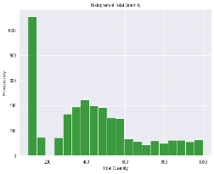 | The distribution is slightly right-skewed, There are fewer occurrences of very high quantities, suggesting limited outliers on the upper side. | 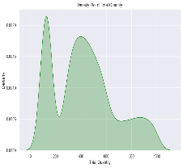 | A bimodal distribution. Indicates a potential split in the data. | 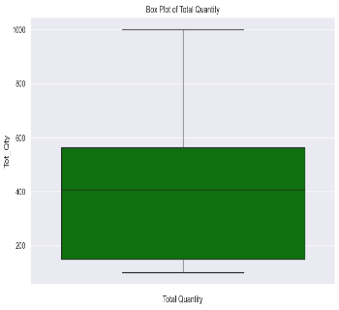 | No significant outliers are present, indicating most total quantities fall within a manageable range. A compact IQR suggests a relatively consistent demand for products. | 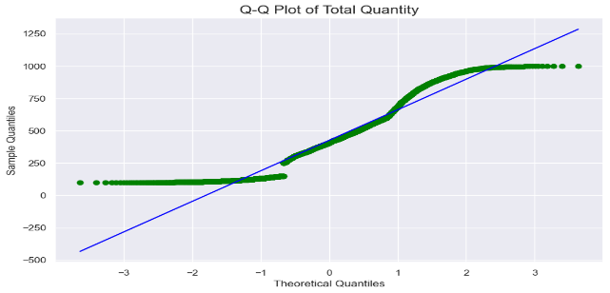 | he data is approximately normally distributed in the center but shows some skewness and heavy tails, indicating the presence of outliers or non-normality at the extremes | 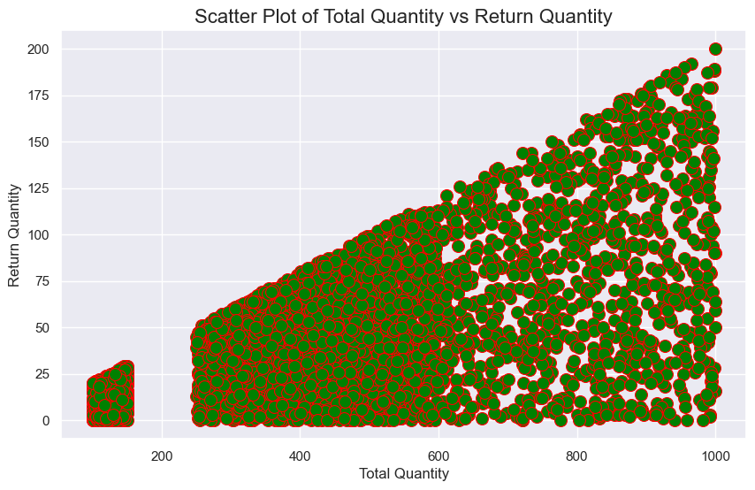 | a positive correlation the Total Quantity increases, the Return Quantity also tends to increase. despite higher total quantities, returns are typically smaller in volume. | 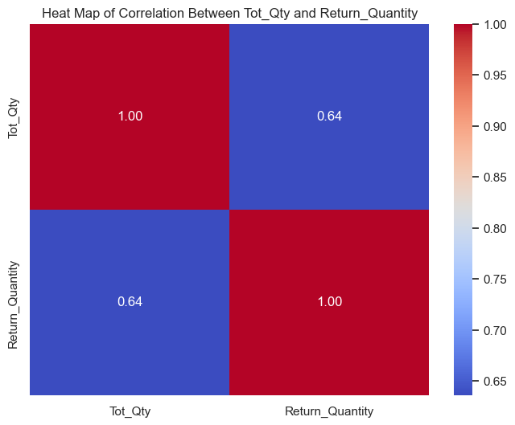 | moderate positive relationship. implies that as the total quantity increases, the return quantity also tends to increase, but not perfectly or proportionally. | Stable Demand: Most quantities are moderate, with predictable demand patterns. Segmentation: Bimodal distribution suggests distinct customer or product groups needing tailored strategies. Moderate Correlation with Returns: Higher quantities increase returns but not proportionally, indicating the need for better bulk handling.
Return_Quantity | 42.2034 | 30 | 0 | The distribution shows that the average and median are close, indicating a fairly symmetric distribution with some common smaller values (mode = 131). | 1418.78 | 37.66 | 200 | Most returns are small, with fewer instances of very high returns. | 1.26 | High positive skew suggests most returns are small, with a few high values. Statistical Insights: Return quantities are heavily concentrated at lower values, with occasional large returns. | 1.33 | Indicates a slightly peaked distribution with heavier tails than normal. Statistical Insights: A few extreme return quantities influence the distribution. | 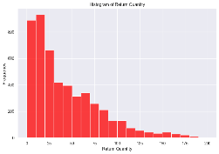 | Strongly right-skewed distribution. A rapid decline in frequency as return quantities increase, showing a heavy concentration of smaller values. | 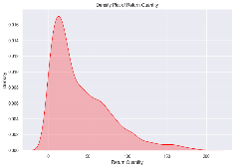 | the skewness, with most values near 0 and a long tail extending to higher return quantities. returns are uncommon but can occasionally be large. | 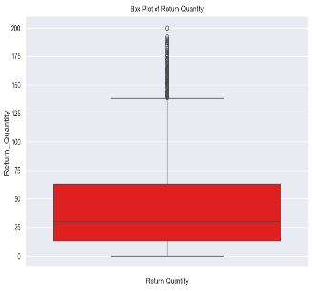 | plot is heavily skewed with a dense lower quartile. 0 to approximately 50, showing that most returns are small. | 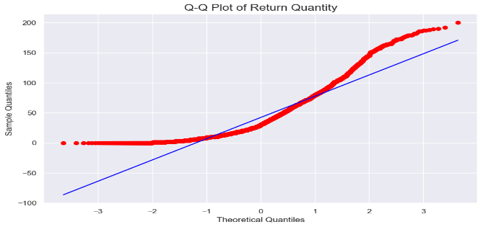 | The data is heavily positively skewed, suggesting most return quantities are low, with a few extreme high values. |  |  |  |  | Low Returns: Most returns are small, but a few outliers highlight quality or logistics issues. Skewed Distribution: Concentration near zero suggests effective management, with occasional large returns needing attention.

Categorical Columns
Column Name | Bar Plot | Statistical Insights | Business Insights
Warehouse_ID | 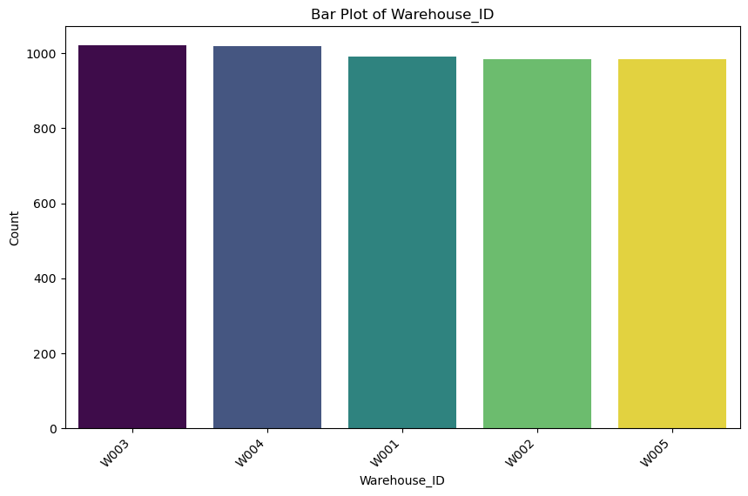 | All warehouses have a similar count of entries, indicating uniform activity across warehouses. No warehouse dominates or shows significantly less activity, which could imply balanced distribution. | Uniform activity suggests that resources and operations are well-distributed among warehouses. Investigate any slight discrepancies to optimize workload balance or identify underperforming warehouses.
Outlet_Info | 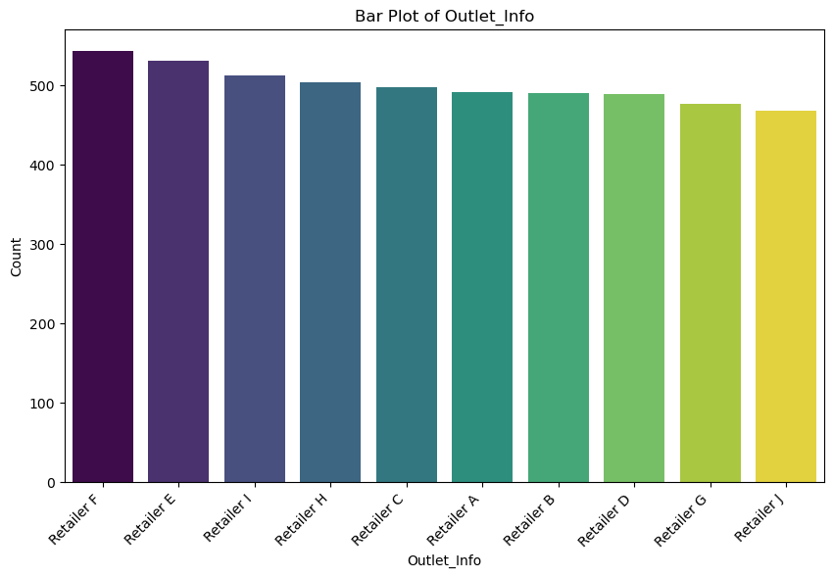 | Outlets show a fairly uniform distribution, though a few may handle slightly fewer returns or orders. No significant outliers in outlet performance. | Consistent performance indicates robust outlet operations. Investigate lower-performing outlets to identify potential inefficiencies or issues (e.g., location demand, customer preference).
Customer_ID | 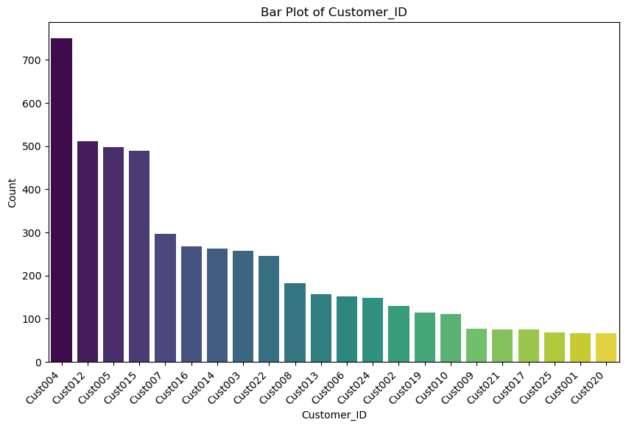 | A small subset of customers has significantly higher entries, while most customers have relatively few. This indicates a Pareto-like distribution where a small percentage of customers contribute to most returns. | Focus on high-returning customers to understand patterns (e.g., bulk buyers or dissatisfied customers). Implement customer segmentation strategies to better address their needs.
Customer_Name | 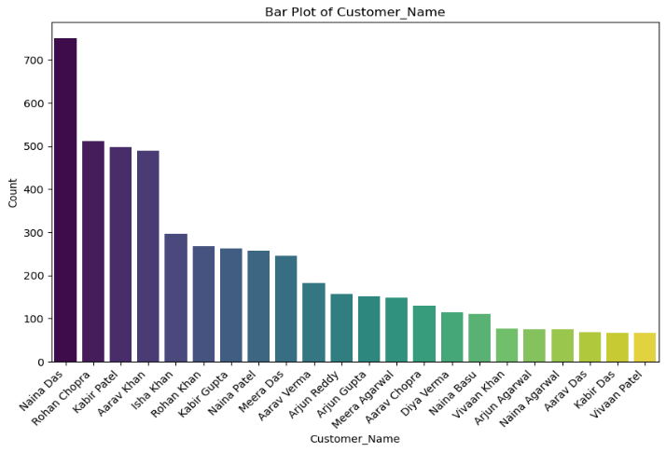 | Matches the insights for Customer_ID since each name corresponds to a unique ID. The bar plot highlights top customers responsible for most returns or purchases. | Build loyalty programs for high-return customers to reduce returns and improve satisfaction. Consider personalized approaches for these customers (e.g., quality assurance or targeted offers).
Product_ID | 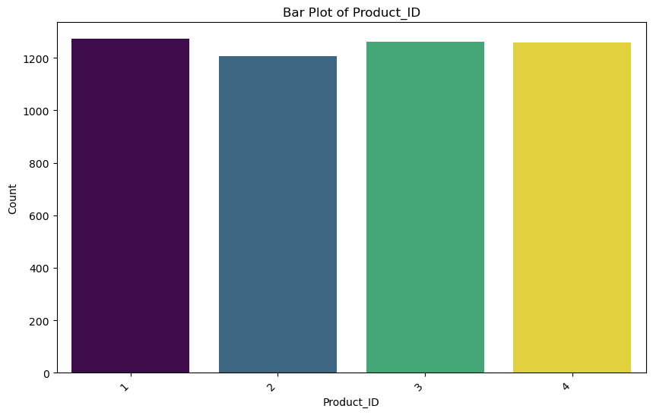 | Some products have slightly higher entries, but overall counts are evenly distributed among products. Indicates consistent demand or returns across product types. | Focus on slightly higher-return products to identify quality or demand issues. Consistency in product performance suggests a balanced portfolio but calls for optimization of top products.
Product_Name | 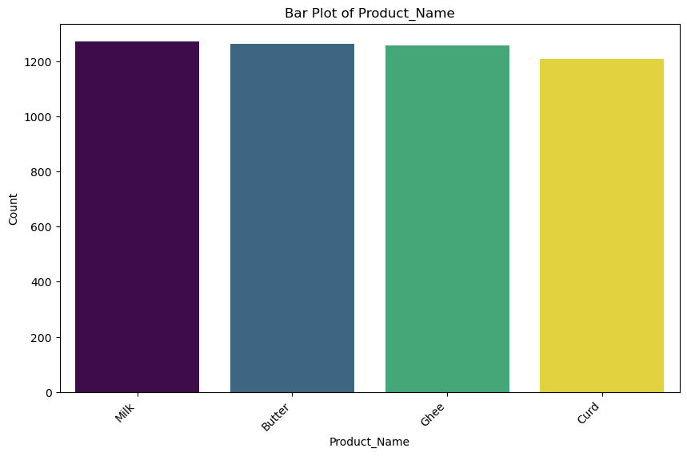 | Products with the highest counts align with Product_ID insights. A few products dominate the entries, which could represent either high sales or high returns. | Investigate top products for return reasons (e.g., expired, damaged). Optimize inventory for top-performing products based on sales and return patterns.
Return_Reason | 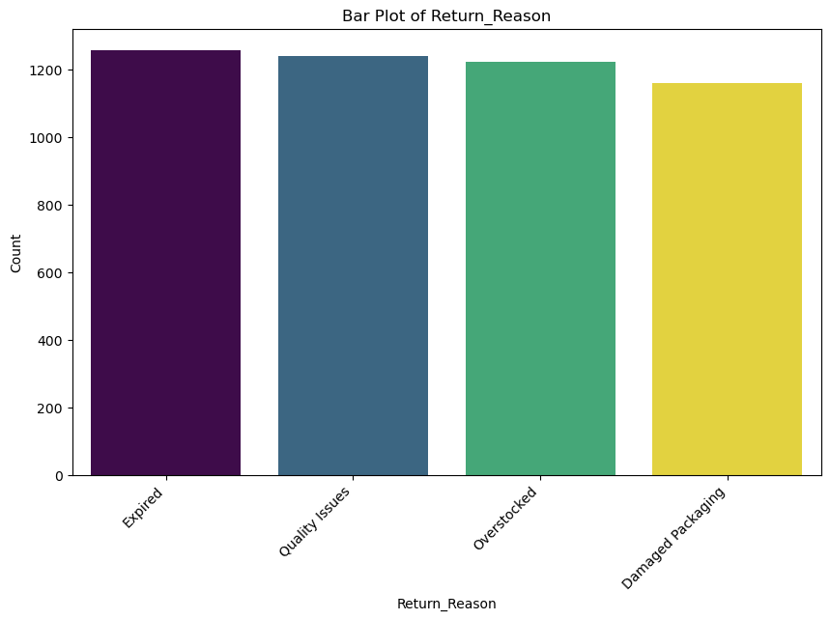 | Specific reasons (e.g., Expired, Damaged Packaging) dominate returns, while others are less frequent. Indicates a concentration of returns due to a few recurring issues. | Focus on reducing top return reasons to minimize overall returns. Implement stricter quality controls or improve inventory management to address common return reasons.

